Table 1

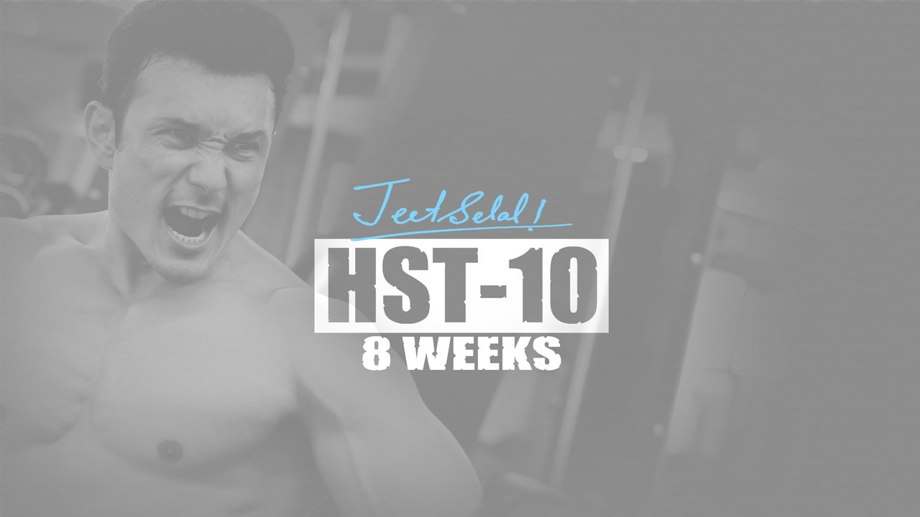
WORKOUT OVERVIEW
Monday- CHEST+ ABS. Tuesday- LEGS. | WORKOUT SPLIT 5 DAYS A WEEK
Wednesday-SHOULDERS + TRAPS. Thursday- REST. Friday- BACK+ ABS. Saturday- BICEPS + TRICEPS. Sunday- REST ,
Note: You will only train 5 days a week while following HST-10 PROGRAM

PLEASE REFER TO THE VIDEOS IN CASE OF CONFUSION
DAY 1- CHEST + ABS
WARM UP • CAT STRETCH • HYPER EXTENSTION 10 reps • SUPERMAN (flying) HOLD 5-10 secs EACH LEG • SHOULDER EXTERNAL ROTATION 10 REPS EACH ARM • REISTANCE BAND STRECH 2 MINS • PUSH UPS MAIN WORKOUT 1. DUMBELL BENCH PRESS – 3 (Working) sets of 10 reps. Rest: 90 seconds. 2. INCLINE CABLE FLY- 10 (Working) sets of 12 reps [TEMPO: 1-1-1-1], Rest: 30 seconds 3. DECLINE BARBELL BENCH PRESS - 3 (Working) sets of 10 reps. Rest: 60 seconds. 4. DUMBELL PULL OVERS - 3 (Working) sets of 15 reps. Rest: 60 seconds.

5. DELCINE ABS CRUNCHES WITH WEIGHT- 15 reps + REVERSE LEG RAISE- 15 reps - 3 (Working) set. Rest: 60 seconds. 6. SEATED RUSSIAN TWIST WITH BALL- 3 (Working) sets of 15 reps. Rest: 40 seconds
DAY 2- QUADS + HAMSTRING + GLUETS + CALVES
WARMUP • QUARTER SQUAT JUMP 1 set • RESISTANCE BAND MOBILITY LEG WORK (Sides + Fronts) 1 set • DYNAMIC STRETCH 1 set • SCORPIAN STRETCH MOBILITY 1 set • REISTANCE BAND STRECH 2 MINS MAIN WORKOUT
1. STANDING CALVES RAISE- 4 (Working) sets of 15 reps. Rest: 60 seconds 2. SEATED CALVES RAISE- 3 (Working) sets of 15 reps. Rest: 60 seconds. 3. BARBELL SQUATS – 3 (Working) sets of 10 reps. Rest: 90 seconds. 4. LEG PRESS- 10 (Working) sets of 12 reps [TEMPO: 1-1-1-1]. Rest: 30 seconds. 5. LEG CURLS – 3 (Working) sets of 15 reps. Rest: 60 seconds.
DAY 3- SHOULDERS + TRAPS
WARMUP • SHOULDER MOBILITY with cable 1 set • PUSH UPS 1 set • RESISTANCE BAND MOBILITY SHOULDER 1 set MAIN WORKOUT 1. BARBELL SHRUS - 4 (Working) sets of 12 reps. Rest: 60 seconds. 2. BACK BARBELL SHRUGS- 3 (Working) sets of 12 reps. Rest: 60 seconds. 3. SHOULDER OVERHEAD BARBELL PRESS – 3 (Working) sets of 10 reps. Rest: 90 seconds. 4. LATERAL RAISE DUMBBELL- 10 (Working) sets of 12 reps [TEMPO: 1-1-1-1]. Rest: 30 seconds. 5. REAR DELT CABLE FLY SEATED- 3 (Working) sets of 15 reps. Rest: 60 seconds.

6. REAR DELT DUMBELL ROW STANDING- 3 (Working) sets of 15 reps. Rest: 40 seconds.
DAY 4- BACK+ ABS
WARMUP • NECK MOBILITY WORK 1 set • RESISTANCE BAND MOBILITY WORK (SCAPULA SHOULDER) • DYNAMIC STRETCH 1 set • SCORPIAN STRETCH MOBILITY 1 set • HYPER EXTENTION MAIN WORKOUT
1. CONVENTIONAL DEALLIFT – 3 (Working) sets of 10 reps. Rest: 60 seconds. 2. BARBELL BENDOVER ROW - 10 (Working) sets of 12 reps [TEMPO: 1-1-1-1]. Rest: 30 seconds. 3. LAT PULL DOWN WITH V HANDLE- 3 (Working) sets of 12 reps. Rest: 60 seconds. 4. SEATED ROWS WIDE CABLE- 3 (Working) sets of 12 reps. Rest: 60 seconds. 5. LYING ABS CRUNCHES- 50 reps + HANGING LEG RAISE- 15 reps - 3 (Working) set. Rest: 60 seconds.
DAY 5- BICEPS + TRICEPS + FOREARMS
WARMUP • NECK MOBILITY WORK 1 set
• RESISTANCE BAND MOBILITY WORK (SCAPULA SHOULDER) • DYNAMIC STRETCHES 1 SET MAIN WORKOUT 1. BAEBELL BICEPS CURL EZ BAR – 3 (Working) sets of 10 reps. Rest: 60 seconds. 2. INCLINED DUMBELL BICEPS CURL – 10 (Working) sets of 12 reps [TEMPO: 1-1-1-1], Rest: 30 seconds. 3. TRICEO PULL PUSH DOWN – 3 (Working) sets of 10 reps. Rest: 60 seconds. 4. SKULL CRUSHER EZ - 10 (Working) sets of 12 reps [TEMPO: 1-1-1-1]. Rest: 30 seconds. 5. HAMMER CURLS CABLE+ OVERHEAD TRICEPS EXTENTION DUMBBELL- 3 (Working) sets of 15 reps. Rest: 60 seconds.
Note: You will only train 5 days a week while following HST-10 PROGRAM
,
PLEASE REFER TO THE VIDEOS IN CASE OF CONFUSION

